Contents


GIM Activity: Dec 01, 2024 to Dec 31, 2024

Table of Contents

Disclaimer and References | Disclaimer on the use of this report, and references to associated ERCOT Binding Documents ***Please read***
Acronyms | A list of the various acronyms used throughout the report
Summary | Tables that provide project aggregate counts and megawatt capacities by GIM phase and fuel type
Project Details - Large Gen | A table that list project details for Large Generators as defined in ERCOT Planning Guide Section 5.2.1(3); only include projects for which a Full Interconnection Study has been requested
Project Details - Small Gen | A table that list project details for Small Generators as defined in ERCOT Planning Guide 5.2.1(3); only include projects for which the Resource Registration form has been approved by ERCOT
GIM Trends | Charts and tables that show historical and projected interconnection study trends
Commissioning Update | A table listing project commissioning approval milestones met for the month: energization, synchronization, and commercial operations approval
Inactive Projects | A table listing Inactive projects
Cancellation Update | A table listing the projects cancelled for the month

Time of Report Run: Jan 1, 2025 8:00:49 AM

GIM Trends
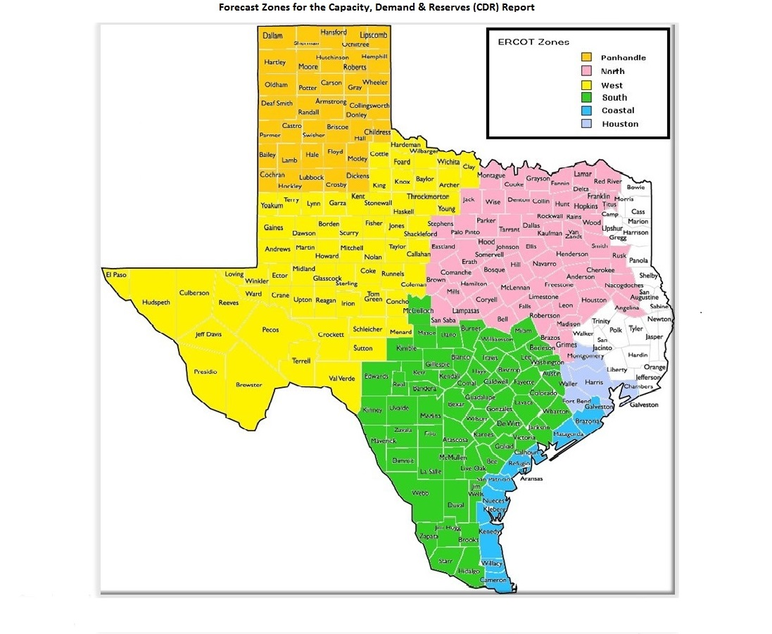
GIM Trends

Reflects all Large Generator projects for which a Security Screening Study has been requested. The third table reflects all Small Generator projects whose GIM applications have been approved.
Excludes projects that have a status of Inactive (status = INA).
Nameplate capacity will change across time due to additional projects, cancelations, expirations, adjustments from study results, and projects being placed into service.

Large Generator Monthly Capacity by GIM Milestone plus Project Count, 13-Month Rolling Basis
 | # Signed Interconnect Agreement | # Completed Full Study | # in Full Study | # Screening Study Complete | # Initial Screening study | GW Capacity
Dec-23 | 381 | 92 | 974 | 116 | 39 | 324.66574
Jan-24 | 386 | 95 | 1011 | 133 | 35 | 335.16366
Feb-24 | 391 | 102 | 1023 | 132 | 65 | 347.86003
Mar-24 | 391 | 101 | 1035 | 100 | 80 | 348.9954
Apr-24 | 395 | 112 | 1025 | 115 | 58 | 348.07265
May-24 | 408 | 125 | 1023 | 129 | 48 | 354.63766
Jun-24 | 414 | 140 | 1023 | 137 | 20 | 350.32389
Jul-24 | 427 | 158 | 1033 | 136 | 27 | 363.95543
Aug-24 | 437 | 152 | 1057 | 140 | 24 | 370.60442
Sep-24 | 435 | 158 | 1050 | 140 | 21 | 370.96333
Oct-24 | 440 | 159 | 1039 | 127 | 28 | 369.82822
Nov-24 | 449 | 156 | 1070 | 126 | 21 | 377.02992
Dec-24 | 447 | 147 | 1103 | 120 | 22 | 378.74439
 | Year | Month | Total Projects |  |  | Project Count |  |  |  |  |  | Project Capacity (MW)
 |  |  |  |  |  | GIM milestones |  |  |  |  |  | Fuel Type
 |  |  |  | Small Generator Not Model Ready | Small Generator Model Ready | Initial Screening Study | Screening Study Complete | In Full Study | Completed Full Study | Signed Interconnection Agreement | Cancelled | Wind | Solar | Gas | Nuclear | Coal | Biomass | Battery | Other
 | 2021 | Dec | 964 | 0 | 0 | 49 | 156 | 467 | 62 | 230 | 5 | 21,939 | 103,923 | 18,450 | 0 | 0 | 50 | 51,416 | 985
 | 2022 | Jan | 983 | 0 | 0 | 44 | 168 | 470 | 53 | 238 | 8 | 21,370 | 105,880 | 18,400 | 0 | 0 | 50 | 52,346 | 985
 | 2022 | Feb | 1,018 | 8 | 4 | 67 | 152 | 488 | 48 | 251 | 28 | 21,262 | 110,323 | 17,764 | 0 | 0 | 50 | 55,337 | 1,217
 | 2022 | Mar | 1,024 | 1 | 10 | 64 | 141 | 505 | 52 | 251 | 23 | 20,364 | 107,046 | 17,764 | 0 | 0 | 50 | 57,742 | 1,903
 | 2022 | Apr | 1,047 | 2 | 10 | 59 | 138 | 518 | 55 | 265 | 8 | 21,566 | 108,667 | 18,288 | 0 | 0 | 50 | 59,874 | 1,671
 | 2022 | May | 1,017 | 4 | 9 | 37 | 89 | 552 | 58 | 268 | 55 | 19,544 | 106,920 | 12,888 | 0 | 0 | 50 | 58,249 | 1,469
 | 2022 | Jun | 1,068 | 4 | 7 | 63 | 87 | 565 | 64 | 275 | 7 | 22,243 | 111,731 | 12,744 | 0 | 0 | 53 | 65,366 | 1,477
 | 2022 | Jul | 1,105 | 4 | 6 | 67 | 87 | 590 | 70 | 281 | 7 | 22,504 | 113,904 | 11,317 | 0 | 0 | 53 | 69,044 | 1,003
 | 2022 | Aug | 1,138 | 19 | 4 | 34 | 98 | 629 | 64 | 290 | 9 | 22,118 | 115,799 | 11,255 | 0 | 0 | 53 | 71,580 | 2,235
 | 2022 | Sep | 1,192 | 21 | 4 | 56 | 107 | 649 | 58 | 297 | 10 | 22,920 | 120,296 | 11,551 | 0 | 0 | 53 | 74,877 | 2,486
 | 2022 | Oct | 1,205 | 22 | 6 | 60 | 100 | 667 | 49 | 301 | 10 | 23,025 | 122,585 | 11,513 | 0 | 0 | 53 | 75,630 | 2,486
 | 2022 | Nov | 1,214 | 22 | 8 | 56 | 90 | 682 | 52 | 304 | 18 | 23,198 | 122,705 | 12,277 | 0 | 0 | 53 | 78,746 | 2,486
 | 2022 | Dec | 1,254 | 21 | 8 | 40 | 102 | 722 | 53 | 308 | 10 | 23,876 | 123,340 | 12,935 | 0 | 0 | 53 | 82,844 | 2,486
 | 2023 | Jan | 1,298 | 23 | 5 | 51 | 105 | 736 | 63 | 315 | 1 | 24,351 | 125,569 | 12,542 | 0 | 0 | 53 | 88,430 | 2,486
 | 2023 | Feb | 1,334 | 18 | 13 | 48 | 109 | 761 | 68 | 317 | 1 | 24,702 | 127,309 | 12,542 | 0 | 0 | 53 | 91,493 | 2,486
 | 2023 | Mar | 1,373 | 14 | 17 | 39 | 100 | 810 | 73 | 320 | 22 | 25,742 | 127,765 | 12,544 | 0 | 0 | 53 | 96,356 | 2,235
 | 2023 | Apr | 1,385 | 15 | 18 | 33 | 89 | 825 | 80 | 325 | 20 | 23,703 | 129,237 | 12,985 | 0 | 0 | 53 | 96,078 | 2,235
 | 2023 | May | 1,424 | 18 | 20 | 36 | 86 | 843 | 86 | 335 | 19 | 22,472 | 129,507 | 13,026 | 0 | 0 | 53 | 102,825 | 2,235
 | 2023 | Jun | 1,479 | 28 | 22 | 51 | 83 | 872 | 82 | 341 | 16 | 27,152 | 130,857 | 12,476 | 0 | 0 | 53 | 109,380 | 2,235
 | 2023 | Jul | 1,500 | 25 | 28 | 50 | 76 | 903 | 83 | 335 | 16 | 28,615 | 133,979 | 12,368 | 0 | 0 | 53 | 110,408 | 2,386
 | 2023 | Aug | 1,537 | 31 | 30 | 45 | 82 | 927 | 85 | 337 | 7 | 32,034 | 136,165 | 11,842 | 0 | 0 | 53 | 111,579 | 2,235
 | 2023 | Sep | 1,580 | 40 | 32 | 43 | 102 | 924 | 93 | 346 | 15 | 31,640 | 141,315 | 11,384 | 0 | 0 | 53 | 114,563 | 2,235
Monthly Capacity by Fuel Type plus Project Count, 13-Month Rolling Basis
 | Natural Gas | Nuclear | Coal | Wind | Solar | Biomass | Battery | Other | Total Project Count | Cancelled Project Count
Dec-23 | 15.48278 | 0 | 0 | 34.59095 | 145.65402 | 0.053 | 127.06773 | 2.367 | 1671 | 12
Jan-24 | 15.54614 | 0 | 0 | 36.26089 | 148.13532 | 0.053 | 133.59245 | 2.24685 | 1731 | 12
Feb-24 | 16.02214 | 0 | 0 | 37.21497 | 152.09786 | 0 | 140.21915 | 2.96685 | 1783 | 13
Mar-24 | 15.42885 | 0 | 0 | 35.11962 | 155.27252 | 0 | 141.48367 | 2.33185 | 1775 | 64
Apr-24 | 15.57293 | 0 | 0 | 32.95629 | 152.91651 | 0 | 145.0004 | 2.33185 | 1780 | 15
May-24 | 15.93793 | 0 | 0 | 33.88677 | 154.22529 | 0 | 149.00155 | 2.33185 | 1813 | 9
Jun-24 | 17.08871 | 0 | 0 | 31.45223 | 152.43339 | 0 | 147.74345 | 2.33185 | 1812 | 27
Jul-24 | 22.15993 | 0 | 0 | 33.73145 | 154.40717 | 0 | 151.81097 | 2.56185 | 1858 | 5
Aug-24 | 25.32799 | 0 | 0 | 33.85345 | 154.77045 | 0 | 154.79902 | 2.56185 | 1886 | 8
Sep-24 | 25.96699 | 0 | 0 | 34.83855 | 153.65825 | 0 | 154.26431 | 2.96085 | 1881 | 19
Oct-24 | 25.95373 | 0 | 0 | 33.46714 | 154.86041 | 0 | 152.57989 | 3.71285 | 1872 | 29
Nov-24 | 27.15953 | 0 | 0 | 35.30735 | 155.6757 | 0 | 156.52981 | 3.11315 | 1903 | 11
Dec-24 | 27.57752 | 0 | 0 | 34.44955 | 154.48712 | 0 | 159.77536 | 3.20419 | 1917 | 14
 | 2023 | Oct | 1,628 | 41 | 32 | 49 | 102 | 952 | 99 | 353 | 16 | 31,916 | 143,221 | 13,638 | 0 | 0 | 53 | 120,534 | 2,235
 | 2023 | Nov | 1,656 | 44 | 30 | 55 | 99 | 961 | 92 | 375 | 10 | 32,510 | 142,606 | 15,457 | 0 | 0 | 53 | 124,941 | 2,385
 | 2023 | Dec | 1,671 | 41 | 28 | 39 | 116 | 974 | 92 | 381 | 12 | 34,591 | 145,654 | 15,483 | 0 | 0 | 53 | 127,068 | 2,367
 | 2024 | Jan | 1,731 | 42 | 29 | 35 | 133 | 1,011 | 95 | 386 | 12 | 36,261 | 148,135 | 15,546 | 0 | 0 | 53 | 133,592 | 2,247
 | 2024 | Feb | 1,783 | 43 | 27 | 65 | 132 | 1,023 | 102 | 391 | 13 | 37,215 | 152,098 | 16,022 | 0 | 0 | 0 | 140,219 | 2,967
 | 2024 | Mar | 1,775 | 39 | 29 | 80 | 100 | 1,035 | 101 | 391 | 64 | 35,120 | 155,273 | 15,429 | 0 | 0 | 0 | 141,484 | 2,332
 | 2024 | Apr | 1,780 | 42 | 33 | 58 | 115 | 1,025 | 112 | 395 | 15 | 32,956 | 152,917 | 15,573 | 0 | 0 | 0 | 145,000 | 2,332
 | 2024 | May | 1,813 | 39 | 41 | 48 | 129 | 1,023 | 125 | 408 | 9 | 33,887 | 154,225 | 15,938 | 0 | 0 | 0 | 149,002 | 2,332
 | 2024 | Jun | 1,812 | 34 | 44 | 20 | 137 | 1,023 | 140 | 414 | 27 | 31,452 | 152,433 | 17,089 | 0 | 0 | 0 | 147,743 | 2,332
 | 2024 | Jul | 1,858 | 31 | 46 | 27 | 136 | 1,033 | 158 | 427 | 5 | 33,731 | 154,407 | 22,160 | 0 | 0 | 0 | 151,811 | 2,562
 | 2024 | Aug | 1,886 | 27 | 49 | 24 | 140 | 1,057 | 152 | 437 | 8 | 33,853 | 154,770 | 25,328 | 0 | 0 | 0 | 154,799 | 2,562
 | 2024 | Sep | 1,881 | 29 | 48 | 21 | 140 | 1,050 | 158 | 435 | 19 | 34,839 | 153,658 | 25,967 | 0 | 0 | 0 | 154,264 | 2,961
 | 2024 | Oct | 1,872 | 35 | 44 | 28 | 127 | 1,039 | 159 | 440 | 29 | 33,467 | 154,860 | 25,954 | 0 | 0 | 0 | 152,580 | 3,713
 | 2024 | Nov | 1,903 | 33 | 48 | 21 | 126 | 1,070 | 156 | 449 | 11 | 35,307 | 155,676 | 27,160 | 0 | 0 | 0 | 156,530 | 3,113
 | 2024 | Dec | 1,917 | 32 | 46 | 22 | 120 | 1,103 | 147 | 447 | 14 | 34,450 | 154,487 | 27,578 | 0 | 0 | 0 | 159,775 | 3,204

Small Generator Monthly Capacity by GIM Milestone plus Project Count, 13-Month Rolling Basis
 | # Not Model Ready | # Model Ready | MW Capacity
Dec-23 | 41 | 28 | 651.14
Jan-24 | 42 | 29 | 670.99
Feb-24 | 43 | 27 | 660.94
Mar-24 | 39 | 29 | 641.11
Apr-24 | 42 | 33 | 705.33
May-24 | 39 | 41 | 745.73
Jun-24 | 34 | 44 | 725.74
Jul-24 | 31 | 46 | 715.94
Aug-24 | 27 | 49 | 708.34
Sep-24 | 29 | 48 | 725.62
Oct-24 | 35 | 44 | 745.8
Nov-24 | 33 | 48 | 755.62
Dec-24 | 32 | 46 | 726.03

Capacity for Planned Projects by Projected In-service Year and CDR Forecast Zone
 | Gas | Wind | Solar | Battery | Other
2024 |  |  | 0.92848 | 0.22139 | 0
2025 |  | 0.5427 | 1.12672 | 4.33366 | 0
2026 | 0.50546 | 0.4494 | 4.64394 | 7.44578 | 0.23
2027 | 1.8784 | 1.48863 | 5.16568 | 4.7496 | 0.18
2028 | 2.3738 |  | 3.0596 | 0.7933 | 0.399
2029 |  |  | 0.86841 | 0 | 0
2030 |  | 2.57139 | 0.6036 | 0 | 0
2024 | 0.014 |  |  | 0 | 0
2025 | 0.1737 |  | 1.49778 | 2.39253 | 0.05
2026 | 1.88783 |  |  | 6.39963 | 0
2027 | 0.9721 |  | 0.35806 | 6.24954 | 0
2028 | 0.445 |  | 0.339 | 1.25349 | 0.05
2029 | 0.208 |  |  | 0 | 0
2030 |  | 1.02939 |  | 0.10305 | 0
2022 |  | 0.041 |  | 0 | 0
2023 |  | 0.1045 |  | 0 | 0
2024 |  | 0.8856 | 0.4387 | 0.41479 | 0
2025 | 0.00999 | 2.36751 | 2.56047 | 3.62654 | 0.02985
2026 | 0.8314 | 3.07588 | 10.73918 | 10.7087 | 0.18
2027 | 0.802 | 5.30725 | 14.59643 | 12.67061 | 0.312
2028 | 2.338 | 1.21062 | 9.3196 | 7.82395 | 0
2029 | 1.392 | 1.35179 | 1.3868 | 0.20097 | 0
2023 |  |  |  | 0.00999 | 0
2024 | 0.088 | 0.6112 | 1.996 | 0.36331 | 0
2025 | 0.822 | 1.2744 | 7.55675 | 4.97929 | 0.1
2026 | 2.42768 | 1.2033 | 13.06053 | 15.10066 | 0
2027 | 0.97874 | 0.33237 | 16.20636 | 16.05921 | 0
2028 | 0.73698 | 0.2383 | 6.15187 | 8.10175 | 0.15
2029 | 1.424 |  | 0.85494 | 0.35095 | 0
2030 |  |  |  | 0.2076 | 1.232
2025 |  | 0.4524 | 1.76115 | 0.10327 | 0
2026 |  | 0.42462 | 2.49474 | 2.0641 | 0
2027 | 0.21 | 1.24003 | 2.30651 | 1.33279 | 0
2028 |  | 1.84838 | 2.07924 | 1.0279 | 0
2029 |  | 2.123 | 0.8466 | 0 | 0
2023 | 0.0031 |  | 0.0055 | 0 | 0
2024 | 0.0161 | 0.21153 | 2.73206 | 0.29698 | 0
2025 | 0.5001 | 1.06241 | 5.2215 | 4.93047 | 0
2026 | 1.4304 | 0.60896 | 12.98721 | 14.11371 | 0
2027 | 1.7841 | 1.04029 | 10.50032 | 14.52376 | 0
2028 | 3.06434 | 1.3527 | 7.61467 | 5.78306 | 0
2029 | 0.2603 |  | 2.47872 | 1.10325 | 0
2030 |  |  |  | 0.2038 | 0

Note: Other contains all Fuel and Technology Types not in the Solar, Wind, Gas or Battery categories.

